Foglio1
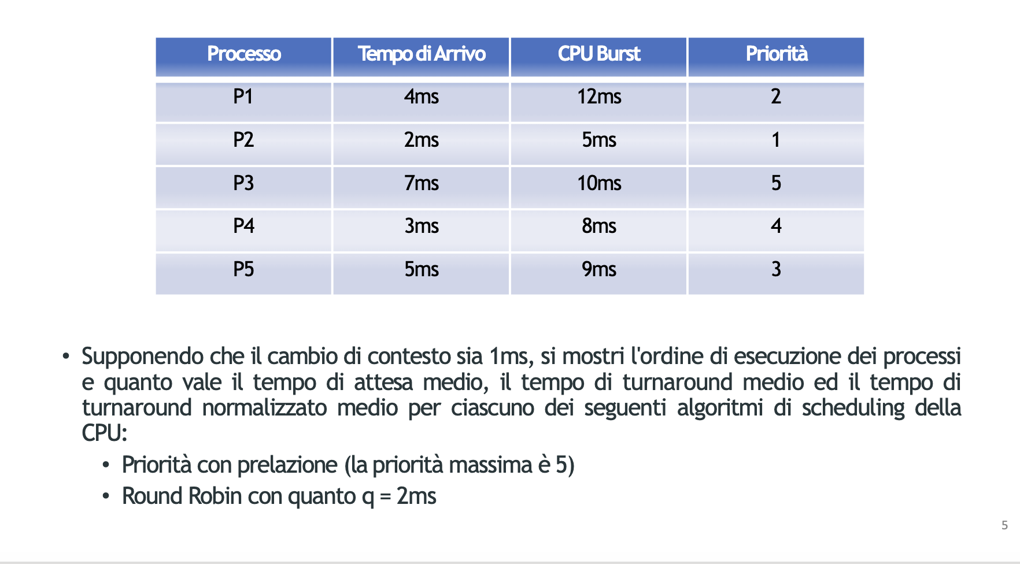

 | 1 | 2 | 3 | 4 | 5 | 6 | 7 | 8 | 9 | 10 | 11 | 12 | 13 | 14 | 15 | 16 | 17 | 18 | 19 | 20 | 21 | 22 | 23 | 24 | 25 | 26 | 27 | 28 | 29 | 30 | 31 | 32 | 33 | 34 | 35 | 36 | 37 | 38 | 39 | 40 | 41 | 42 | 43 | 44 | 45 | 46 | 47 | 48 | 49 | 50 | 51 | 52 | 53 | 54 | 55 | 56 | 57 | 58 | 59 | 60 | 61 | 62 | 63 | 64 | 65 | 66 | 67 | 68 | 69 | 70 | 71 | 72 | 73 | 74 | 75 | 76 | 77 | 78 | 79 | 80
P1 |  |  |  |  |  |  |  |  |  |  |  |  |  |  |  |  |  |  |  |  |  |  |  |  |  |  |  |  |  |  |  |  |  |  |  | 11 | 10 | 9 | 8 | 7 | 6 | 5 | 4 | 3 | 2 | 1 | 0 | X
P2 |  |  | 4 | X |  |  |  |  |  |  |  |  |  |  |  |  |  |  |  |  |  |  |  |  |  |  |  |  |  |  |  |  |  |  |  |  |  |  |  |  |  |  |  |  |  |  |  |  | 3 | 2 | 1 | 0
P3 |  |  |  |  |  |  |  |  | 9 | 8 | 7 | 6 | 5 | 4 | 3 | 2 | 1 | 0 | X
P4 |  |  |  |  | 7 | 6 | 5 | X |  |  |  |  |  |  |  |  |  |  |  | 4 | 3 | 2 | 1 | 0 | X
P5 |  |  |  |  |  |  |  |  |  |  |  |  |  |  |  |  |  |  |  |  |  |  |  |  |  | 8 | 7 | 6 | 5 | 4 | 3 | 2 | 1 | 0 | X
P6
P7
 |  |  | P2 |  | P4 | P4 | P4 |  | P3 | P3 | P3 | P3 | P3 | P3 | P3 | P3 | P3 | P3 |  | P4 | P4 | P4 | P4 | P4 |  | P5 | P5 | P5 | P5 | P5 | P5 | P5 | P5 | P5 |  | P1 | P1 | P1 | P1 | P1 | P1 | P1 | P1 | P1 | P1 | P1 | P1 |  | P2 | P2 | P2 | P2
 |  | P2 | P4 | P4 | P5 | P5 | P3 | P3 | P4 | P4 | P4 | P4 | P4 | P4 | P4 | P4 | P4 | P4 | P4 | P5 | P5 | P5 | P5 | P5 | P5 | P1 | P1 | P1 | P1 | P1 | P1 | P1 | P1 | P1 | P1 | P2 | P2 | P2 | P2 | P2 | P2 | P2 | P2 | P2 | P2 | P2 | P2 | P2
 |  |  |  | P1 | P1 | P1 | P5 | P4 | P5 | P5 | P5 | P5 | P5 | P5 | P5 | P5 | P5 | P5 | P5 | P1 | P1 | P1 | P1 | P1 | P1 | P2 | P2 | P2 | P2 | P2 | P2 | P2 | P2 | P2 | P2
 |  |  |  | P2 | P2 | P2 | P1 | P5 | P1 | P1 | P1 | P1 | P1 | P1 | P1 | P1 | P1 | P1 | P1 | P2 | P2 | P2 | P2 | P2 | P2
 |  |  |  |  |  |  | P2 | P1 | P2 | P2 | P2 | P2 | P2 | P2 | P2 | P2 | P2 | P2 | P2
 |  |  |  |  |  |  |  | P2 |  |  |  |  |  |  |  |  |  |  |  |  |  |  |  |  |  |  |  |  |  |  |  |  |  |  |  |  |  |  |  |  |  | TA |  |  |  |  |  |  | TURNAROUND |  |  |  |  |  |  |  |  |  |  |  | TN NORM
 |  |  |  |  |  |  |  |  |  |  |  |  |  |  |  |  |  |  |  |  |  |  |  |  |  |  |  |  |  |  |  |  |  |  |  |  |  |  |  |  | P1 | 31 |  |  |  |  |  |  | P1 | 43 |  |  |  |  |  |  |  |  |  |  | P1 | 3.5833333333
 |  |  |  |  |  |  |  |  |  |  |  |  |  |  |  |  |  |  |  |  |  |  |  |  |  |  |  |  |  |  |  |  |  |  |  |  |  |  |  |  | P2 | 45 |  |  |  |  |  |  | P2 | 50 |  |  |  |  |  |  |  |  |  |  | P2 | 10
 |  |  |  |  |  |  |  |  |  |  |  |  |  |  |  |  |  |  |  |  |  |  |  |  |  |  |  |  |  |  |  |  |  |  |  |  |  |  |  |  | P3 | 1 |  | TA MEDIO |  |  |  |  | P3 | 11 |  |  | TN MEDIO |  |  |  |  |  |  |  | P3 | 1.1 |  | TN NORM MEDIO
 |  |  |  |  |  |  |  |  |  |  |  |  |  |  |  |  |  |  |  |  |  |  |  |  |  |  |  |  |  |  |  |  |  |  |  |  |  |  |  |  | P4 | 14 |  |  | 22.2 |  |  |  | P4 | 21 |  |  | 30.8 |  |  |  |  |  |  |  | P4 | 2.625
 |  |  |  |  |  |  |  |  |  |  |  |  |  |  |  |  |  |  |  |  |  |  |  |  |  |  |  |  |  |  |  |  |  |  |  |  |  |  |  |  | P5 | 20 |  |  |  |  |  |  | P5 | 29 |  |  |  |  |  |  |  |  |  |  | P5 | 3.2222222222 |  | 4.1061111111

 | 1 | 2 | 3 | 4 | 5 | 6 | 7 | 8 | 9 | 10 | 11 | 12 | 13 | 14 | 15 | 16 | 17 | 18 | 19 | 20 | 21 | 22 | 23 | 24 | 25 | 26 | 27 | 28 | 29 | 30 | 31 | 32 | 33 | 34 | 35 | 36 | 37 | 38 | 39 | 40 | 41 | 42 | 43 | 44 | 45 | 46 | 47 | 48 | 49 | 50 | 51 | 52 | 53 | 54 | 55 | 56 | 57 | 58 | 59 | 60 | 61 | 62 | 63 | 64 | 65 | 66 | 67 | 68 | 69 | 70 | 71 | 72 | 73 | 74 | 75 | 76 | 77 | 78 | 79 | 80
P1 |  |  |  |  |  |  |  |  | 11 | 10 | X |  |  |  |  |  |  |  |  |  |  |  |  | 9 | 8 | X |  |  |  |  |  |  |  |  |  |  |  | 7 | 6 | X |  |  |  |  |  |  |  |  |  | 5 | 4 | X |  |  |  |  |  |  | 3 | 2 | X |  |  |  |  |  | 1 | 0
P2 |  |  | 4 | 3 | X |  |  |  |  |  |  |  |  |  | 2 | 1 | X |  |  |  |  |  |  |  |  |  |  |  |  | 0 | X
P3 |  |  |  |  |  |  |  |  |  |  |  |  |  |  |  |  |  | 9 | 8 | X |  |  |  |  |  |  |  |  |  |  |  | 7 | 6 | X |  |  |  |  |  |  |  |  |  | 5 | 4 | X |  |  |  |  |  |  |  |  |  | 3 | 2 | X |  |  |  |  |  | 1 | 0 | X
P4 |  |  |  |  |  | 7 | 6 | X |  |  |  |  |  |  |  |  |  |  |  |  | 5 | 4 | X |  |  |  |  |  |  |  |  |  |  |  | 3 | 2 | X |  |  |  |  |  |  |  |  |  | 1 | 0 | X
P5 |  |  |  |  |  |  |  |  |  |  |  | 8 | 7 | X |  |  |  |  |  |  |  |  |  |  |  |  | 6 | 5 | X |  |  |  |  |  |  |  |  |  |  |  | 4 | 3 | X |  |  |  |  |  |  |  |  |  | 2 | 1 | X |  |  |  |  |  |  | 0 | X
P6
P7
 |  |  | P2 | P2 |  | P4 | P4 |  | P1 | P1 |  | P5 | P5 |  | P2 | P2 |  | P3 | P3 |  | P4 | P4 |  | P1 | P1 |  | P5 | P5 |  | P2 |  | P3 | P3 |  | P4 | P4 |  | P1 | P1 |  | P5 | P5 |  | P3 | P3 |  | P4 | P4 |  | P1 | P1 |  | p5 | p5 |  | p3 | p3 |  | P1 | P1 |  | P5 |  | P3 | P3 |  | P1 | P1
 |  | P2 | P4 | P4 | P4 | P1 | P1 | P1 | P5 | P5 | P5 | P2 | P2 | P2 | P3 | P3 | P3 | P4 | P4 | P4 | P1 | P1 | P1 | P5 | P5 | P5 | P2 | P2 | P2 | P3 | P3 | P4 | P4 | P4 | P1 | P1 | P1 | P5 | P5 | P5 | P3 | P3 | P3 | P4 | P4 | P4 | P1 | P1 | P1 | p5 | p5 | p5 | p3 | p3 | p3 | P1 | P1 | P1 | P5 | P5 | P5 | P3 | P3 | P1 | P1 | P1
 |  |  |  | P1 | P1 | P5 | P5 | P5 | P2 | P2 | P2 | P3 | P3 | P3 | P4 | P4 | P4 | P1 | P1 | P1 | P5 | P5 | P5 | P2 | P2 | P2 | P3 | P3 | P3 | P4 | P4 | P1 | P1 | P1 | P5 | P5 | P5 | P3 | P3 | P3 | P4 | P4 | P4 | P1 | P1 | P1 | p5 | p5 | p5 | p3 | p3 | p3 | P1 | P1 | P1 | P5 | P5 | P5 | P3 | P3 | P3 | P1 | P1
 |  |  |  |  | P5 | P2 | P2 | P2 | P3 | P3 | P3 | P4 | P4 | P4 | P1 | P1 | P1 | P5 | P5 | P5 | P2 | P2 | P2 | P3 | P3 | P3 | P4 | P4 | P4 | P1 | P1 | P5 | P5 | P5 | P3 | P3 | P3 | P4 | P4 | P4 | P1 | P1 | P1 | p5 | p5 | p5 | p3 | p3 | p3 |  |  | P1 |  |  | P5 |  |  | P3 |  |  | P1
 |  |  |  |  | P2 |  | P3 | P3 | P4 | P4 | P4 | P1 | P1 | P1 | P5 | P5 | P5 | P2 | P2 | P2 | P3 | P3 | P3 | P4 | P4 | P4 | P1 | P1 | P1 | P5 | P5 |  |  | P3 |  |  | P4 |  |  | P1 |  |  | p5 |  |  | p3
 |  |  |  |  |  |  |  | P4 |  |  | P1 |  |  | P5 |  |  | P2 |  |  | P3 |  |  | P4 |  |  | P1 |  |  | P5

 |  |  |  |  |  |  |  |  |  |  |  |  |  |  |  |  |  |  |  |  |  |  |  |  |  |  |  |  |  |  |  |  |  |  |  |  |  |  |  |  |  |  |  |  |  |  |  |  |  |  |  |  |  | T_ATT |  |  |  | T_ATT MEDIO
 |  |  |  |  |  |  |  |  |  |  |  |  |  |  |  |  |  |  |  |  |  |  |  |  |  |  |  |  |  |  |  |  |  |  |  |  |  |  |  |  |  |  |  |  |  |  |  |  |  |  |  |  | P1 | 52
 |  |  |  |  |  |  |  |  |  |  |  |  |  |  |  |  |  |  |  |  |  |  |  |  |  |  |  |  |  |  |  |  |  |  |  |  |  |  |  |  |  |  |  |  |  |  |  |  |  |  |  |  | P2 | 23 |  |  |  | 41.6
 |  |  |  |  |  |  |  |  |  |  |  |  |  |  |  |  |  |  |  |  |  |  |  |  |  |  |  |  |  |  |  |  |  |  |  |  |  |  |  |  |  |  |  |  |  |  |  |  |  |  |  |  | P3 | 48
 |  |  |  |  |  |  |  |  |  |  |  |  |  |  |  |  |  |  |  |  |  |  |  |  |  |  |  |  |  |  |  |  |  |  |  |  |  |  |  |  |  |  |  |  |  |  |  |  |  |  |  |  | P4 | 37
 |  |  |  |  |  |  |  |  |  |  |  |  |  |  |  |  |  |  |  |  |  |  |  |  |  |  |  |  |  |  |  |  |  |  |  |  |  |  |  |  |  |  |  |  |  |  |  |  |  |  |  |  | P5 | 48

 |  |  |  |  |  |  |  |  |  |  |  |  |  |  |  |  |  |  |  |  |  |  |  |  |  |  |  |  |  |  |  |  |  |  |  |  |  |  |  |  |  |  |  |  |  |  |  |  |  |  |  |  | TURN |  |  |  |  |  |  |  |  | T N
 |  |  |  |  |  |  |  |  |  |  |  |  |  |  |  |  |  |  |  |  |  |  |  |  |  |  |  |  |  |  |  |  |  |  |  |  |  |  |  |  |  |  |  |  |  |  |  |  |  |  |  |  | P1 | 64 |  |  |  | TURN MEDIO |  |  |  | P1 | 5.3333333333
 |  |  |  |  |  |  |  |  |  |  |  |  |  |  |  |  |  |  |  |  |  |  |  |  |  |  |  |  |  |  |  |  |  |  |  |  |  |  |  |  |  |  |  |  |  |  |  |  |  |  |  |  | P2 | 28 |  |  |  | 50.4 |  |  |  | P2 | 5.6
 |  |  |  |  |  |  |  |  |  |  |  |  |  |  |  |  |  |  |  |  |  |  |  |  |  |  |  |  |  |  |  |  |  |  |  |  |  |  |  |  |  |  |  |  |  |  |  |  |  |  |  |  | P3 | 58 |  |  |  |  |  |  |  | P3 | 5.8 |  | TN MEDIO
 |  |  |  |  |  |  |  |  |  |  |  |  |  |  |  |  |  |  |  |  |  |  |  |  |  |  |  |  |  |  |  |  |  |  |  |  |  |  |  |  |  |  |  |  |  |  |  |  |  |  |  |  | P4 | 45 |  |  |  |  |  |  |  | P4 | 5.625 |  | 5.7383333333
 |  |  |  |  |  |  |  |  |  |  |  |  |  |  |  |  |  |  |  |  |  |  |  |  |  |  |  |  |  |  |  |  |  |  |  |  |  |  |  |  |  |  |  |  |  |  |  |  |  |  |  |  | P5 | 57 |  |  |  |  |  |  |  | P5 | 6.3333333333

